Sheet1
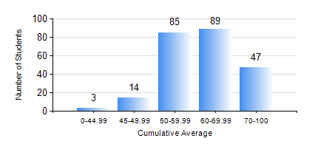
 |  |  | KWAME NKRUMAH UNIVERSITY OF SCIENCE AND TECHNOLOGY, KUMASI Department of Computer Engineering

 |  |  | BSC. COMPUTER ENG.

 |  |  | COMPREHENSIVE RECORD OF EXAMINATION RESULTS

 |  |  | RESULTS OF YEAR 3 FIRST SEMESTER, 2023/2024 ACADEMIC YEAR

 | Sn | Course Code |  | Course Name | Credit Hours | Min. Mark | Max. Mark | Avg. Mark | Std. Dev. | No. Passed | No. Trailed | No. (Df) | No. (I) | No. (I*) | No. Tagged(I,I*,Df) | Total
 | 0. |  |  |  |  |  |  | 0 | 0 | 0 | 0 | 0 | 0 | 0 | 0 | 16
 | 1. | COE 363 |  | DATA STRUCTURES AND ALGORITHMS | 3 | 0 | 86 | 61 | 10.93 | 219 | 3 | 0 | 0 | 0 | 0 | 222
 | 2. | COE 371 |  | LINEAR ELECTRONIC CIRCUITS | 3 | 29 | 92 | 63 | 11.14 | 218 | 4 | 0 | 0 | 0 | 0 | 222
 | 3. | COE 381 |  | MICROPROCESSORS | 3 | 34 | 96 | 69 | 13.1 | 221 | 1 | 0 | 0 | 0 | 0 | 222
 | 4. | COE 387 |  | CLASSICAL CONTROL SYSTEMS | 3 | 21 | 98 | 67 | 16.26 | 221 | 1 | 0 | 0 | 0 | 0 | 222
 | 5. | MATH 351 |  | NUMERICAL ANALYSIS | 2 | 31 | 86 | 59 | 12.78 | 210 | 12 | 0 | 0 | 0 | 0 | 222
 | 6. | STAT 253 |  | PROBABILITY AND STATISTICS | 2 | 22 | 95 | 61 | 12.38 | 218 | 3 | 0 | 1 | 0 | 1 | 222
 | 7. | TE 385 |  | SIGNALS AND SYSTEMS | 2 | 0 | 87 | 59 | 12.85 | 219 | 3 | 0 | 0 | 0 | 0 | 222

